dash
Zomato Analysis

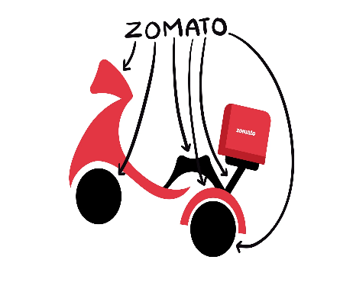
Total Cities
Total Countries
Total cuisines
Online delivery%
Total Resturants
9551
141
15
1448
26%

Average Rating
 | Count of RestaurantName | Average of Rating
Total | 9551 | 2.8912679301
Bucket BASED ON AVERAGE PRICE
 | Total
0-499 | 5174
500-999 | 2921
1000-1499 | 682
1500-1999 | 406
2000-2499 | 159
2500-3000 | 105
>3000 | 104

online delivery %
 | Total
Yes | 25.66%
No | 74.34%

% of table Booking
 | Total
No | 87.88%
Yes | 12.12%
Top 10 Citywise resturants
 | Total
Agra | 20
Ahmedabad | 21
Albany | 20
Allahabad | 20
Amritsar | 21
Ankara | 20
Armidale | 1
Athens | 20
Auckland | 20
Augusta | 20
Aurangabad | 20
Balingup | 1

4.Resturants (city,country)
cityise resturants
City | Count of RestaurantName
Agra | 20
Ahmedabad | 21
Albany | 20
Allahabad | 20
Amritsar | 21
Ankara | 20
Armidale | 1
Athens | 20
Auckland | 20
Augusta | 20
Aurangabad | 20
Balingup | 1
Grand Total | 204

Count of RestaurantName | Average of Rating
9551 | 2.8912679301

6.avergae rating
Count of RestaurantName | Average of Rating
9551 | 2.8912679301

Select any city yo will get the resturants of the city
in another slicer you can find
1) No of resturants
2)Avergae rating of individual resturants

7.Bucket
Bucket BASED ON AVERAGE PRICE
Row Labels | Count of RestaurantName
0-499 | 5174
500-999 | 2921
1000-1499 | 682
1500-1999 | 406
2000-2499 | 159
2500-3000 | 105
>3000 | 104
Grand Total | 9551

8.% of table boking
Row Labels | Count of Has_Table_booking
No | 87.88%
Yes | 12.12%
%of table booking
Grand Total | 100.00%

9.% of online delivery
online delivery
Row Labels | Count of Has_Online_delivery
Yes | 25.66%
No | 74.34%
Grand Total | 100.00%

10 rating(1)
Resturants and rating
Row Labels | Sum of Rating
Domino's Pizza | 221.5
Cafe Coffee Day | 216.8
Subway | 185.2
McDonald's | 161.3
Green Chick Chop | 143.3
Barbeque Nation | 113.2
Keventers | 102.6
Pizza Hut | 100.6
Giani | 83
Dunkin' Donuts | 72
Barista | 68.6
Starbucks | 68.5
Giani's | 65.2
Chaayos | 64.7
Baskin Robbins | 64.1
Grand Total | 1730.6

10.cuisines(2)
RestaurantName | Cuisines | Sum of Rating
Barbeque Nation | North Indian | 13.6
 | North Indian, Chinese | 34.2
Cafe Coffee Day | Cafe | 216.8
Domino's Pizza | Pizza | 3.1
 | Pizza, Fast Food | 218.4
Dunkin' Donuts | Burger, Desserts, Fast Food | 72
Giani | Ice Cream, Desserts | 83
Green Chick Chop | Raw Meats, Fast Food | 4.9
 | Raw Meats, North Indian, Fast Food | 135.5
Keventers | Beverages | 102.6
McDonald's | Fast Food | 10.6
 | Fast Food, Burger | 149.7
Pizza Hut | Italian, Pizza, Fast Food | 58.6
 | Pizza | 11.7
Subway | American, Fast Food, Salad, Healthy Food | 181.8
 | Fast Food, American, Salad, Healthy Food | 3.4
Grand Total |  | 1299.9

Top 10 resturants | Top 2 cuisines

10.cities
Top 10 Restuarants with top3 cities with average rating
RestaurantName | City | Average of Rating
Barbeque Nation | Guwahati | 4.90
 | Kolkata | 4.90
 | New Delhi | 4.05
Cafe Coffee Day | Gurgaon | 2.65
 | New Delhi | 2.71
 | Noida | 2.04
Domino's Pizza | Gurgaon | 2.67
 | New Delhi | 2.85
 | Noida | 2.55
Dunkin' Donuts | Gurgaon | 3.57
 | New Delhi | 3.40
 | Noida | 2.35
Giani | Faridabad | 3.60
 | Gurgaon | 3.40
 | New Delhi | 2.84
Green Chick Chop | Faridabad | 3.18
 | New Delhi | 2.85
 | Noida | 2.23
Keventers | Gurgaon | 3.10
 | New Delhi | 3.11
 | Noida | 2.60
McDonald's | Gurgaon | 3.12
 | New Delhi | 3.45
 | Noida | 3.10
Pizza Hut | New Delhi | 3.16
 | Noida | 3.00
 | Vizag | 4.45
Subway | Gurgaon | 2.96
 | New Delhi | 3.05
 | Noida | 2.63
Grand Total |  | 2.93

